Лист1
Bug report | 1 | 2 | 3 | 4 | 5 | 6 | 7 | 8 | 9
ID | BR114321 | BR114322 | BR114323 | BR114324 | BR114325 | BR114326 | BR114327 | BR114328 | BR114329
Summary | Doesn't change the localization (language) on the "Log in" page when click on the language change button on this page | Doesn't change the localization (language) on the "Sign up" page when click on the language change button on this page | There is no message about fail of the price field in all goods categories when the filter is applied from bigger to less value | There is no message about fail of the price field in all goods categories when the filter is applied with negative values | There is no message about fail of the price field in all goods categories when the filter is applied with letters | There is no message about fail of the price field in all goods categories when the filter is applied with tags | There is no validation in the Email field on the Contact's page "Feedback form" when enter cyrillic symbols | There is no validation in the Phone number field on the Contact's page "Feedback form" when enter cyrillic symbols instead numbers | There is no validation in the Name field on the Contact's page "Feedback form" when enter numbers instead letters
Pre-conditions | Open site: https://exe.ua/ | Open site: https://exe.ua/ | Open site: https://exe.ua/ | Open site: https://exe.ua/ | Open site: https://exe.ua/ | Open site: https://exe.ua/ | Open site: https://exe.ua/ | Open site: https://exe.ua/ | Open site: https://exe.ua/
 | User is not signed up | User is not signed up

Steps to reproduce | 1. Click on the button "Log in" | 1. Click on the button "Sign up" | 1. Click on "Catalog" | 1. Click on "Catalog" | 1. Click on "Catalog" | 1. Click on "Catalog" | 1. Click on the button "Contacts" in the left-top side of the page | 1. Click on the button "Contacts" in the left-top side of the page | 1. Click on the button "Contacts" in the left-top side of the page
 | 2. Click on the button "Укр" in the right-top side of the page | 2. Click on the button "Укр" in the right-top side of the page | 2. Choose category "Computers" - subcategory "Laptops" | 2. Choose category "Computers" - subcategory "Laptops" | 2. Choose category "Computers" - subcategory "Laptops" | 2. Choose category "Computers" - subcategory "Laptops" | 2. Click on the Name field "Им'я" in the "Feedback form" and enter the valid name Petro | 2. Click on the Name field "Им'я" in the "Feedback form" and enter the valid name Petro | 2. Click on the Name field "Им'я" in the "Feedback form" and enter the invalid name 777
 | 3. Click on the button "Eng" in the right-top side of the page | 3. Click on the button "Eng" in the right-top side of the page | 3. Enter in the first price field "from" value 20000 | 3. Enter in the first price field "from" value -30000 | 3. Enter in the first price field "from" value "A" | 3. Enter in the first price field "from" value "<div>" | 3. Click on the Email field in the "Feedback form" and enter the invalid value петро@gmail.com | 3. Click on the Email field in the "Feedback form" and enter the valid value petro@gmail.com | 3. Click on the Email field in the "Feedback form" and enter the valid value petro@gmail.com
 |  |  | 4. Enter in the second price field "to" value 5 | 4. Enter in the second price field "to" value -20000 | 4. Enter in the second price field "to" value "B" | 4. Enter in the second price field "to" value "</div>" | 4. Click on the Phone number field in the "Feedback form" and enter the valid number +380985556677 | 4. Click on the Phone number field in the "Feedback form" and enter the invalid value "мобільний" | 4. Click on the Phone number field in the "Feedback form" and enter the valid number +380985556677
 |  |  | 5. Press "Enter" | 5. Press "Enter" | 5. Press "Enter" | 5. Press "Enter" | 5. Click on the Text area in the "Feedback form" and enter word "Tester" | 5. Click on the Text area in the "Feedback form" and enter word "Tester" | 5. Click on the Text area in the "Feedback form" and enter word "Tester"
 |  |  |  |  |  |  | 6. Click on the Captcha field in the "Feedback form" and enter valid showed on the picture symbols | 6. Click on the Captcha field in the "Feedback form" and enter valid showed on the picture symbols | 6. Click on the Captcha field in the "Feedback form" and enter valid showed on the picture symbols
 |  |  |  |  |  |  | 7. Press on the button "Відправити" | 7. Press on the button "Відправити" | 7. Press on the button "Відправити"
 |  |  |  |  |  |  | Note: Error message "The Captcha field is necessary" appears random | Note: Error message "The Captcha field is necessary" appears random | Note: Error message "The Captcha field is necessary" appears random
 |  |  |  |  |  |  | 8. Click on the Captcha field in the "Feedback form" and enter valid showed on the picture symbols again | 8. Click on the Captcha field in the "Feedback form" and enter valid showed on the picture symbols again | 8. Click on the Captcha field in the "Feedback form" and enter valid showed on the picture symbols again
 |  |  |  |  |  |  | 9. Press on the button "Відправити" again | 9. Press on the button "Відправити" again | 9. Press on the button "Відправити" again

Expected result | 1. The page "Log in" is opened | 1. The page "Sign up" is opened | 1. The dropdown with categories appears | 1. The dropdown with categories appears | 1. The dropdown with categories appears | 1. The dropdown with categories appears | 1. The page "Contacts" is opened | 1. The page "Contacts" is opened | 1. The page "Contacts" is opened
 | 2.The page is translated into Ukrainian after clicking on the button "Укр" | 2.The page is translated into Ukrainian after clicking on the button "Укр" | 2. The site opens on the "Laptops" page | 2. The site opens on the "Laptops" page | 2. The site opens on the "Laptops" page | 2. The site opens on the "Laptops" page | 2. "Petro" appears in the Name field | 2. "Petro" appears in the Name field | 2. "777" appears in the Name field
 | 3.The page is translated into English after clicking on the button "Eng" | 3.The page is translated into English after clicking on the button "Eng" | 3. A value 20000 appears in the first price field "from" | 3. A value -30000 appears in the first price field "from" | 3. A value "A" appears in the first price field "from" | 3. A value "<div>" appears in the first price field "from" | 3. "петро@gmail.com" appears in the Email field | 3. "petro@gmail.com" appears in the Email field | 3. "petro@gmail.com" appears in the Email field
 |  |  | 4. A value 5 appears in the second price field "to" | 4. A value -20000 appears in the second price field "to" | 4. A value "B" appears in the second price field "to" | 4. A value "</div>" appears in the second price field "to" | 4. "+380985556677" appears in the Phone number field | 4. "мобільний" appears in the Phone number field | 4. "+380985556677" appears in the Phone number field
 |  |  | 5. The filter should not be applied. The fields light up red and indicate an error | 5. The filter should not be applied. The fields light up red and indicate an error | 5. The filter should not be applied. The fields light up red and indicate an error | 5. The filter should not be applied. The fields light up red and indicate an error | 5. "Tester" appears in the Text area | 5. "Tester" appears in the Text area | 5. "Tester" appears in the Text area
 |  |  |  |  |  |  | 6. Valid symbols appears in the Captcha field | 6. Valid symbols appears in the Captcha field | 6. Valid symbols appears in the Captcha field
 |  |  |  |  |  |  | 7. Error message appears: "Your Email is invalid" | 7. Error message appears: "Your Phone number is invalid" | 7. Error message appears: "Your Name is invalid"

Actual result | 1. The page "Log in" is opened | 1.The page "Sign up" is opened | 1. The dropdown with categories appears | 1. The dropdown with categories appears | 1. The dropdown with categories appears | 1. The dropdown with categories appears | 1. The page "Contacts" is opened | 1. The page "Contacts" is opened | 1. The page "Contacts" is opened
 | 2.The page isn't translated into Ukrainian after clicking on the button "Укр" | 2.The page isn't translated into Ukrainian after clicking on the button "Укр" | 2. The site opens on the "Laptops" page | 2. The site opens on the "Laptops" page | 2. The site opens on the "Laptops" page | 2. The site opens on the "Laptops" page | 2. "Petro" appears in the Name field | 2. "Petro" appears in the Name field | 2. "777" appears in the Name field
 | 3.The page isn't translated into English after clicking on the button "Eng" | 3.The page isn't translated into English after clicking on the button "Eng" | 3. A value 20000 appears in the first price field "from" | 3. A value -30000 appears in the first price field "from" | 3. A value"A" appears in the first price field "from" | 3. A value "<div>" appears in the first price field "from" | 3. "петро@gmail.com" appears in the Email field | 3. "petro@gmail.com" appears in the Email field | 3. "petro@gmail.com" appears in the Email field
 |  |  | 4. A value 5 appears in the second price field "to" | 4. A value -20000 appears in the second price field "to" | 4. A value "B" appears in the second price field "to" | 4. A value "</div>" appears in the second price field "to" | 4. "+380985556677" appears in the Phone number field | 4. "мобільний" appears in the Phone number field | 4. "+380985556677" appears in the Phone number field
 |  |  | 5. The filter is applied. The fields don't light up red and indicate an error | 5. The filter is applied. The fields don't light up red and indicate an error | 5. The filter is applied. The fields don't light up red and indicate an error | 5. The filter is applied. The fields don't light up red and indicate an error | 5. "Tester" appears in the Text area | 5. "Tester" appears in the Text area | 5. "Tester" appears in the Text area
 |  |  |  |  |  |  | 6. Valid symbols appears in the Captcha field | 6. Valid symbols appears in the Captcha field | 6. Valid symbols appears in the Captcha field
 |  |  |  |  |  |  | 7. Message appears: "Дякуємо за звернення до нашої служби підтримки! (УВАГА: Ваш запит буде прийнято до обробки лише після підтвердження. Лист з підтвердженням надіслано на Вашу електронну адресу.)" | 7. Message appears: "Дякуємо за звернення до нашої служби підтримки! (УВАГА: Ваш запит буде прийнято до обробки лише після підтвердження. Лист з підтвердженням надіслано на Вашу електронну адресу.)" | 7. Message appears: "Дякуємо за звернення до нашої служби підтримки! (УВАГА: Ваш запит буде прийнято до обробки лише після підтвердження. Лист з підтвердженням надіслано на Вашу електронну адресу.)"
Post-conditions | Close the site | Close the site | Close the site | Close the site | Close the site | Close the site | Close the site | Close the site | Close the site
Environment | Google Chrome Version 110.0.5481.100 (Official build), (64 bit) | Google Chrome Version 110.0.5481.100 (Official build), (64 bit) | Google Chrome Version 110.0.5481.100 (Official build), (64 bit) | Google Chrome Version 110.0.5481.100 (Official build), (64 bit) | Google Chrome Version 110.0.5481.100 (Official build), (64 bit) | Google Chrome Version 110.0.5481.100 (Official build), (64 bit) | Google Chrome Version 110.0.5481.100 (Official build), (64 bit) | Google Chrome Version 110.0.5481.100 (Official build), (64 bit) | Google Chrome Version 110.0.5481.100 (Official build), (64 bit)
 | Android Version 11 RP1A.200720.011 | Android Version 11 RP1A.200720.011 | Android Version 11 RP1A.200720.011 | Android Version 11 RP1A.200720.011 | Android Version 11 RP1A.200720.011 | Android Version 11 RP1A.200720.011 | Android Version 11 RP1A.200720.011 | Android Version 11 RP1A.200720.011 | Android Version 11 RP1A.200720.011
 | Android Version 11 RKQ1.200826.002 | Android Version 11 RKQ1.200826.002 | Android Version 11 RKQ1.200826.002 | Android Version 11 RKQ1.200826.002 | Android Version 11 RKQ1.200826.002 | Android Version 11 RKQ1.200826.002 | Android Version 11 RKQ1.200826.002 | Android Version 11 RKQ1.200826.002 | Android Version 11 RKQ1.200826.002
 | Opera Version 95.0.4635.37, (64 bit) | Opera Version 95.0.4635.37, (64 bit) | Opera Version 95.0.4635.37, (64 bit) | Opera Version 95.0.4635.37, (64 bit) | Opera Version 95.0.4635.37, (64 bit) | Opera Version 95.0.4635.37, (64 bit) | Opera Version 95.0.4635.37, (64 bit) | Opera Version 95.0.4635.37, (64 bit) | Opera Version 95.0.4635.37, (64 bit)
Severity | Low | Low | Low | Low | Low | Low | Low | Low | Low
Priority | Low | Low | Low | Low | Low | Low | Low | Low | Low
Type of bug | Localization | Localization | Functional/Logical | Functional/Logical | Functional/Logical | Functional/Logical | Functional | Functional | Functional
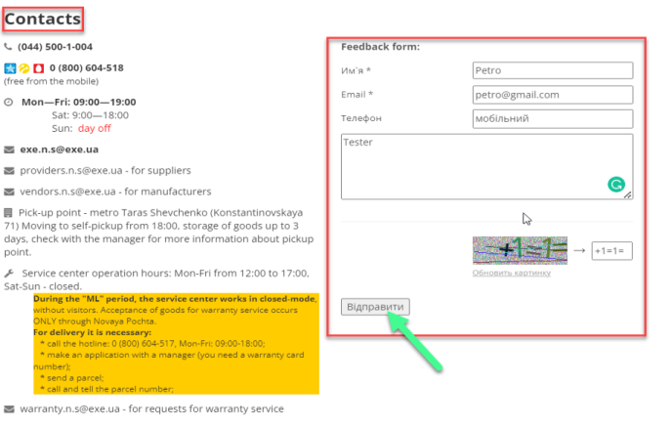
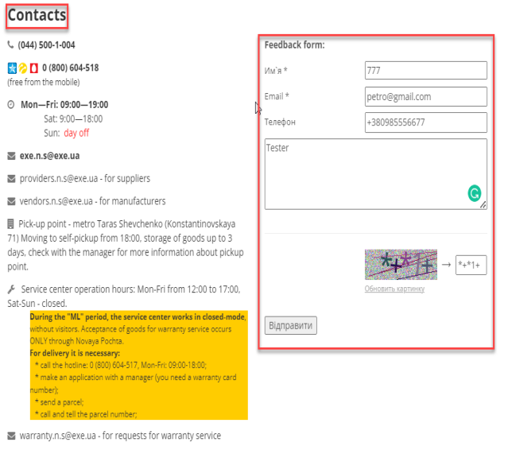
Attachment | 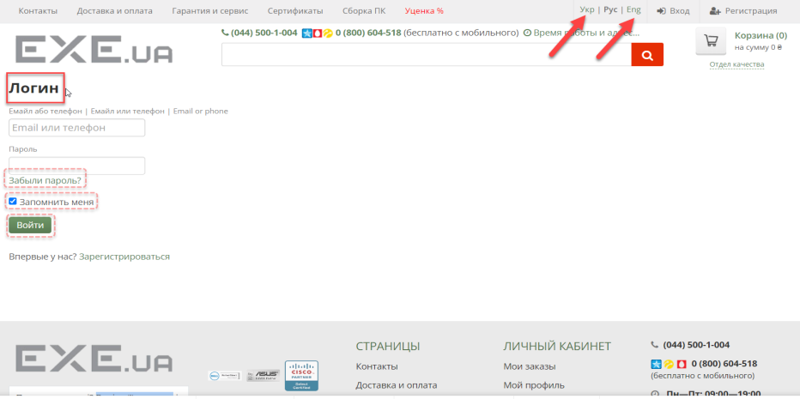 | 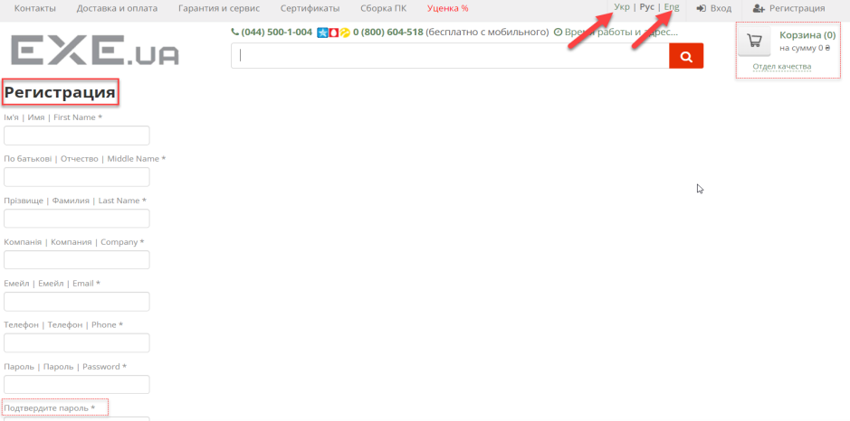 | 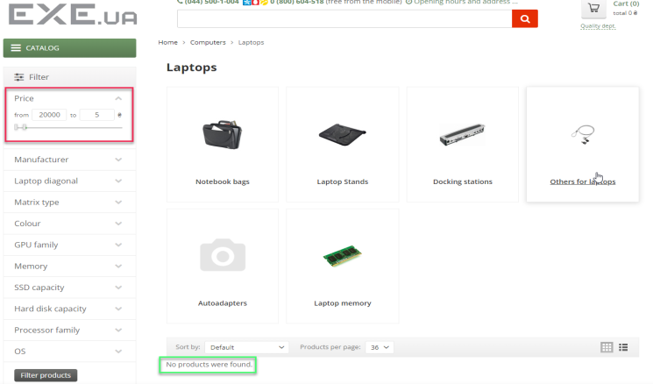 | 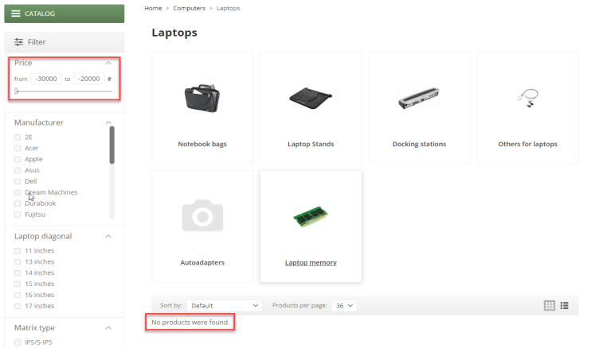 | 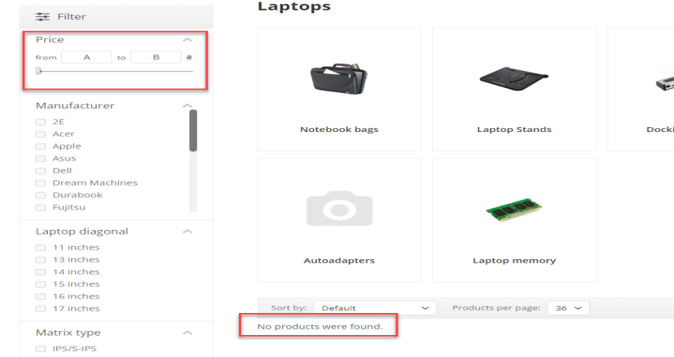 | 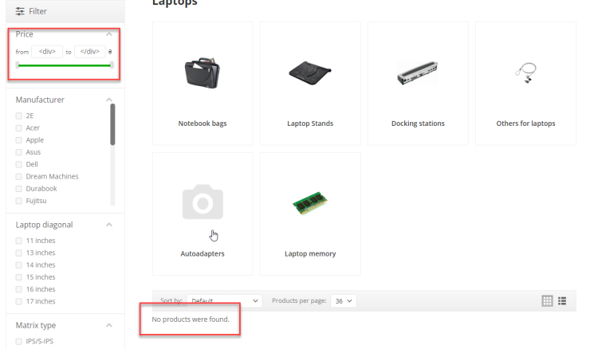 | 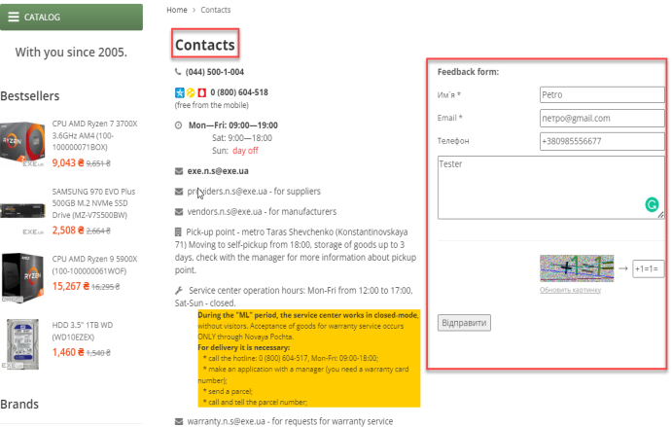

 |  |  |  |  |  |  | 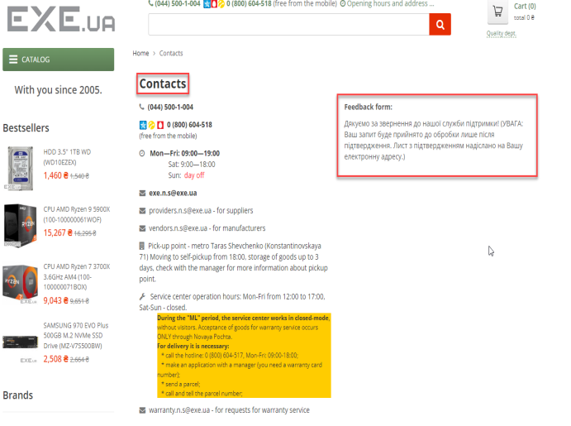 |  | 

